method
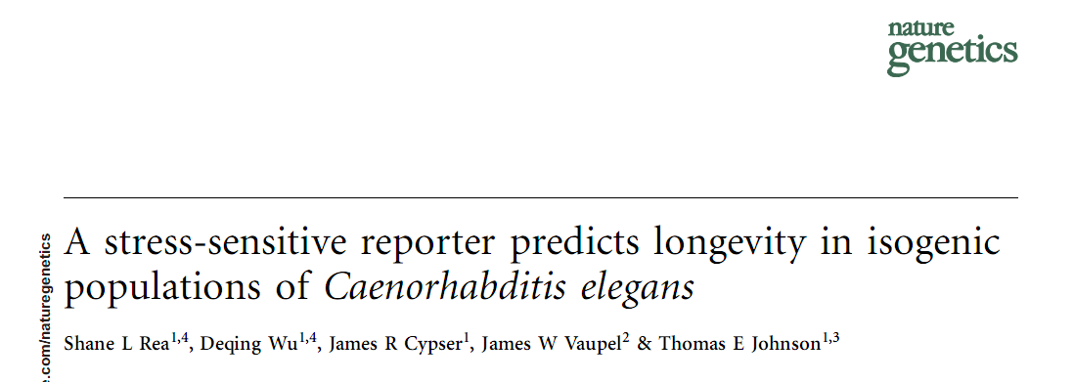
the method was described in the Nature Genetics Paper Rea et al (2005).

